De Morgans Theorem
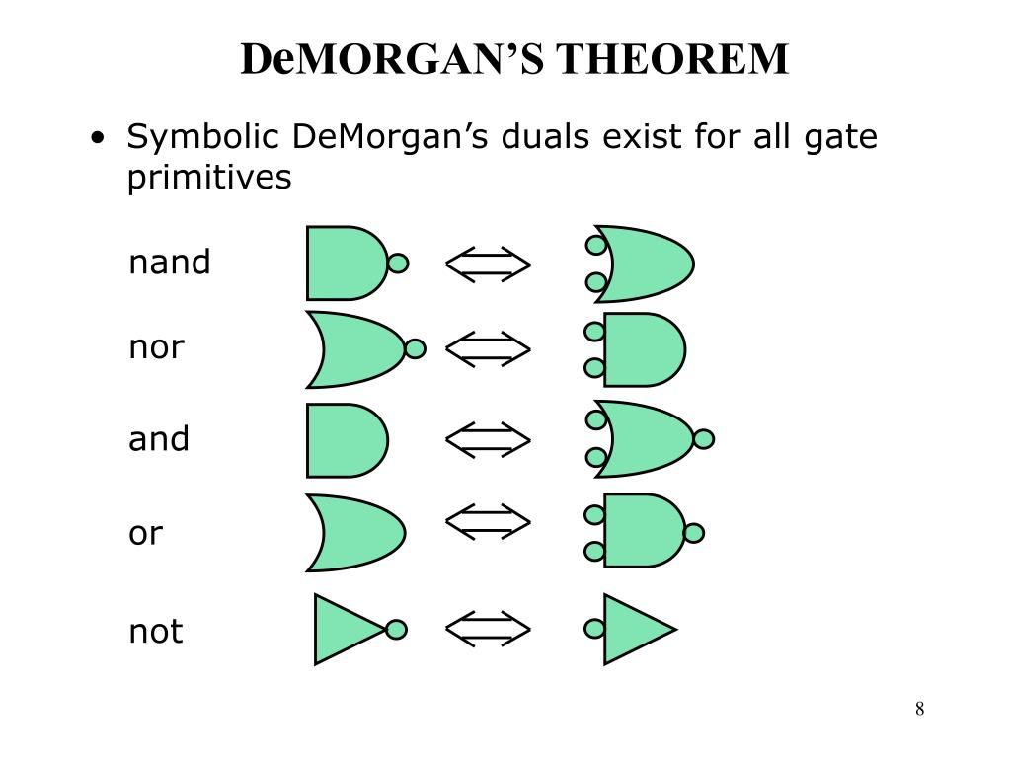

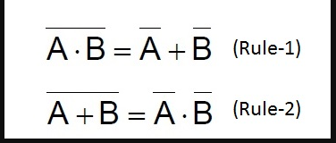

Simplified Equation
f = | P' + | Q * R
Demorgan Converstion to Only NAND |  |  | Steps To Convert to all NAND Gates
= | P' + (Q' + R')' |  | As (Q * R) = (Q' * R')' | F = (Q' + R')
= | [P*(Q' + R')]' |  | Using Demorgan Rule 1 in Reverse | P' + F' = [P*F]'
= | [P*(Q*R)']' |  | Using Demorgan Rule 1 in Reverse | (Q'+R') = (Q*R)'

